HeatMap
Sx | Sx | Sx | Pli | Pli | Pli | Lw | Lw | Lw | Fdi | Fdi | Fdi | Cw | Cw | Cw
39619 | 8482 | 63594 | 32274 | 13903 | 63705 | 39282 | 35192 | 63578 | 48678 | 8492 | 63540 | 53977 | 48519 | 40106
Local | Near | Far | Local | Near | Far | Local | Near | Far | Local | Near | Far | Local | Near | Far
 |  |  |  |  |  |  |  |  |  |  |  |  |  |  | 2019 Fall survival Surveys |  |  |  |  |  |  |  |  |  |  |  |  |  |  |  |  |  | 2020 Spring Survival Surveys |  |  |  |  |  |  |  |  |  |  |  |  |  |  |  |  |  | 2020 Fall Survival Surveys
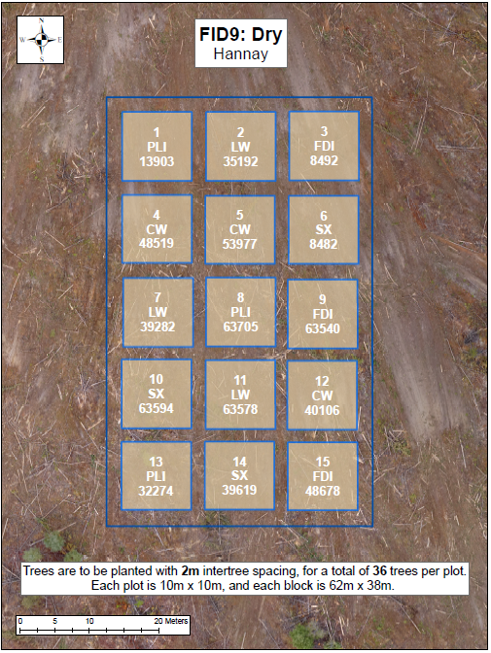
 |  |  |  |  |  |  |  |  |  |  |  |  |  |  | Good | Fair | Good | Good | Good | Good | Fair | Fair | Good | Fair | Good | Fair | Good | Fair | Fair | Fair | Good | Fair | Fair | Poor | Good | Fair | Fair | Fair | Good | Good | Good | Fair | Good | Fair | Fair | Fair | Fair | Fair | Fair | Fair | Good | Poor | Fair | Good | Good | Fair | Good | Good | Good | Fair | Good | Good | Good | Good | Good | Good | Good | Good
 |  |  |  |  |  |  |  |  |  |  |  |  |  |  | Fair | Good | Good | Good | Good | Good | Fair | Fair | Fair | Poor | Good | Good | Poor | Fair | Fair | Poor | Fair | Missing | Fair | Fair | Good | Poor | Fair | Fair | Good | Good | Good | Fair | Good | Fair | Poor | Fair | Poor | Poor | Poor | Missing | Poor | Fair | Good | Fair | Fair | Good | Good | Good | Good | Fair | Good | Good | Fair | Fair | Fair | Good | Fair | Missing
 |  |  |  |  |  |  |  |  |  |  |  |  |  |  | Good | Good | Good | Good | Good | Good | Fair | Dead | Poor | Fair | Good | Poor | Fair | Poor | Poor | Fair | Fair | Fair | Good | Good | Fair | Fair | Good | Fair | Good | Dead | Fair | Good | Good | Fair | Poor | Poor | Poor | Fair | Fair | Poor | Good | Good | Fair | Fair | Good | Fair | Good | Dead | Fair | Good | Good | Fair | Good | Fair | Fair | Fair | Fair | Fair
 |  |  |  |  |  |  |  |  |  |  |  |  |  |  | Good | Good | Good | Good | Good | Good | Good | Fair | Good | Good | Fair | Fair | Good | Good | Good | Fair | Good | Poor | Good | Good | Good | Good | Fair | Fair | Good | Good | Good | Fair | Fair | Fair | Fair | Good | Good | Fair | Fair | Poor | Good | Fair | Good | Good | Good | Good | Good | Fair | Good | Good | Good | Good | Good | Good | Good | Fair | Good | Fair
 |  |  |  |  |  |  |  |  |  |  |  |  |  |  | Poor | Good | Good | Good | Fair | Good | Good | Good | Good | Good | Fair | Fair | Good | Fair | Good | Good | Fair | Good | Poor | Fair | Fair | Fair | Fair | Good | Good | Good | Good | Good | Fair | Good | Fair | Fair | Good | Good | Fair | Fair | Poor | Fair | Fair | Fair | Good | Good | Good | Good | Good | Good | Good | Good | Good | Good | Good | Good | Good | Good
 |  |  |  |  |  |  |  |  |  |  |  |  |  |  | Good | Good | Good | Good | Poor | Good | Poor | Good | Good | Good | Good | Poor | Poor | Poor | Fair | Fair | Fair | Poor | Fair | Fair | Good | Good | Good | Good | Good | Fair | Good | Good | Good | Poor | Poor | Poor | Fair | Fair | Fair | Fair | Good | Poor | Good | Good | Good | Good | Good | Good | Good | Good | Good | Poor | Fair | Good | Good | Good | Fair | Good

 |  |  |  |  |  |  |  |  |  |  |  |  |  |  | Good | Fair | Fair | Fair | Good | Good | Good | Good | Good | Fair | Good | Poor | Fair | Good | Good | Good | Good | Fair | Fair | Fair | Fair | Fair | Fair | Good | Good | Good | Good | Fair | Good | Fair | Fair | Good | Fair | Good | Fair | Fair | Moribund | Good | Good | Good | Good | Good | Good | Fair | Fair | Good | Good | Good | Fair | Good | Good | Good | Good | Good
 |  |  |  |  |  |  |  |  |  |  |  |  |  |  | Fair | Poor | Poor | Fair | Fair | Good | Good | Good | Good | Good | Good | Poor | Good | Good | Fair | Good | Fair | Good | Fair | Fair | Fair | Fair | Fair | Good | Good | Good | Fair | Fair | Good | Poor | Good | Good | Good | Fair | Poor | Good | Good | Good | Good | Good | Good | Good | Good | Good | Poor | Moribund | Good | Good | Good | Good | Good | Good | Fair | Good
 |  |  |  |  |  |  |  |  |  |  |  |  |  |  | Poor | Poor | Fair | Fair | Good | Good | Fair | Fair | Fair | Fair | Poor | Moribund | Good | Poor | Good | Fair | Fair | Good | Poor | Poor | Fair | Poor | Good | Fair | Fair | Fair | Fair | Fair | Fair | Poor | Poor | Poor | Good | Poor | Fair | Good | Poor | Fair | Good | Good | Good | Dead | Poor | Dead | Good | Good | Good | Poor | Fair | Fair | Good | Fair | Good | Good
 |  |  |  |  |  |  |  |  |  |  |  |  |  |  | Fair | Good | Fair | Good | Good | Good | Fair | Good | Fair | Moribund | Poor | Poor | Fair | Good | Fair | Good | Good | Good | Poor | Fair | Fair | Poor | Good | Fair | Fair | Fair | Fair | Fair | Poor | Poor | Fair | Good | Good | Fair | Good | Fair | Good | Good | Good | Good | Good | Moribund | Moribund | Good | Good | Good | Good | Fair | Fair | Good | Fair | Good | Good | Good
 |  |  |  |  |  |  |  |  |  |  |  |  |  |  | Fair | Good | Good | Fair | Fair | Fair | Fair | Poor | Fair | Poor | Moribund | Fair | Good | Good | Fair | Good | Good | Good | Fair | Good | Poor | Fair | Poor | Poor | Fair | Poor | Poor | Fair | Poor | Fair | Good | Good | Fair | Good | Good | Good | Good | Poor | Good | Good | Dead | Poor | Poor | Fair | Fair | Good | Fair | Poor | Good | Good | Good | Good | Good | Good
 |  |  |  |  |  |  |  |  |  |  |  |  |  |  | Good | Fair | Good | Good | Fair | Fair | Fair | Good | Poor | Fair | Poor | Good | Good | Good | Fair | Fair | Good | Good | Poor | Fair | Poor | Fair | Fair | Fair | Fair | Good | Fair | Fair | Poor | Good | Good | Good | Good | Good | Good | Good | Moribund | Good | Moribund | Good | Good | Fair | Good | Good | Good | Fair | Good | Good | Fair | Good | Good | Good | Good | Good

 |  |  |  |  |  |  |  |  |  |  |  |  |  |  | Dead | Fair | Poor | Good | Fair | Poor | Good | Good | Fair | Good | Good | Good | Fair | Poor | Fair | Poor | Fair | Fair | Dead | Fair | Poor | Good | Good | Fair | Good | Good | Fair | Good | Good | Fair | Poor | Poor | Fair | Fair | Poor | Fair | Missing | Fair | Moribund | Fair | Good | Fair | Good | Fair | Fair | Fair | Fair | Fair | Poor | Fair | Good | Poor | Poor | Fair
 |  |  |  |  |  |  |  |  |  |  |  |  |  |  | Fair | Poor | Poor | Poor | Good | Fair | Good | Good | Good | Good | Good | Good | Fair | Fair | Fair | Fair | Fair | Fair | Fair | Fair | Good | Fair | Good | Fair | Fair | Fair | Good | Fair | Good | Good | Fair | Poor | Fair | Fair | Fair | Poor | Good | Fair | Fair | Poor | Good | Good | Good | Good | Fair | Fair | Good | Good | Fair | Poor | Good | Poor | Poor | Fair
 |  |  |  |  |  |  |  |  |  |  |  |  |  |  | Fair | Poor | Poor | Good | Good | Fair | Good | Good | Good | Fair | Good | Missing | Poor | Poor | Fair | Poor | Poor | Poor | Good | Fair | Fair | Good | Fair | Good | Good | Good | Good | Fair | Good | Missing | Poor | Poor | Poor | Poor | Fair | Fair | Good | Good | Fair | Good | Fair | Good | Fair | Good | Good | Good | Fair | Missing | Poor | Dead | Poor | Poor | Poor | Poor
 |  |  |  |  |  |  |  |  |  |  |  |  |  |  | Poor | Good | Good | Fair | Poor | Fair | Fair | Good | Good | Good | Good | Missing | Fair | Fair | Fair | Fair | Fair | Poor | Good | Good | Fair | Good | Fair | Good | Fair | Fair | Good | Good | Good | Missing | Fair | Fair | Poor | Moribund | Fair | Fair | Good | Good | Good | Poor | Good | Fair | Good | Fair | Good | Good | Good | Missing | Good | Good | Poor | Dead | Poor | Poor
 |  |  |  |  |  |  |  |  |  |  |  |  |  |  | Good | Good | Good | Fair | Poor | Poor | Good | Good | Good | Good | Good | Good | Good | Fair | Fair | Poor | Poor | Poor | Good | Good | Good | Good | Fair | Fair | Good | Fair | Good | Good | Good | Good | Good | Fair | Fair | Fair | Fair | Poor | Good | Good | Good | Good | Fair | Poor | Good | Poor | Fair | Good | Good | Good | Good | Good | Fair | Poor | Poor | Poor
 |  |  |  |  |  |  |  |  |  |  |  |  |  |  | Dead | Fair | Fair | Fair | Poor | Good | Poor | Good | Good | Good | Good | Good | Poor | Poor | Poor | Poor | Fair | Fair | Dead | Good | Good | Good | Fair | Fair | Poor | Good | Fair | Good | Good | Good | Poor | Poor | Poor | Poor | Fair | Poor | Missing | Fair | Fair | Fair | Fair | Good | Poor | Good | Fair | Good | Good | Good | Poor | Poor | Fair | Poor | Poor | Poor

 |  |  |  |  |  |  |  |  |  |  |  |  |  |  | Good | Good | Good | Good | Poor | Good | Fair | Fair | Poor | Fair | Fair | Fair | Good | Poor | Poor | Fair | Good | Fair | Good | Good | Good | Good | Poor | Good | Good | Good | Poor | Good | Poor | Fair | Fair | Poor | Fair | Fair | Fair | Poor | Good | Fair | Good | Good | Dead | Good | Good | Good | Poor | Good | Fair | Good | Good | Fair | Fair | Good | Good | Fair
 |  |  |  |  |  |  |  |  |  |  |  |  |  |  | Fair | Good | Good | Good | Good | Good | Good | Poor | Good | Poor | Good | Good | Fair | Good | Good | Good | Fair | Fair | Fair | Good | Good | Good | Good | Good | Fair | Poor | Good | Fair | Fair | Fair | Poor | Moribund | Moribund | Fair | Fair | Fair | Fair | Good | Good | Good | Good | Good | Fair | Fair | Good | Good | Fair | Fair | Fair | Dead | Dead | Good | Fair | Good
 |  |  |  |  |  |  |  |  |  |  |  |  |  |  | Good | Good | Good | Good | Good | Good | Fair | Fair | Poor | Fair | Fair | Good | Good | Good | Good | Good | Good | Poor | Good | Good | Good | Good | Good | Good | Fair | Good | Fair | Fair | Fair | Fair | Fair | Poor | Poor | Fair | Fair | Poor | Good | Good | Good | Good | Good | Good | Good | Good | Fair | Good | Good | Good | Good | Fair | Fair | Good | Good | Fair
 |  |  |  |  |  |  |  |  |  |  |  |  |  |  | Good | Good | Fair | Good | Good | Good | Good | Good | Fair | Poor | Fair | Fair | Good | Good | Fair | Good | Good | Poor | Good | Fair | Poor | Good | Good | Good | Fair | Good | Poor | Poor | Good | Fair | Poor | Good | Fair | Fair | Fair | Poor | Good | Fair | Fair | Good | Good | Good | Good | Good | Good | Fair | Good | Fair | Good | Good | Fair | Good | Good | Fair
 |  |  |  |  |  |  |  |  |  |  |  |  |  |  | Good | Good | Good | Good | Good | Good | Fair | Fair | Fair | Good | Fair | Fair | Good | Fair | Fair | Good | Fair | Fair | Good | Good | Good | Good | Good | Good | Fair | Good | Good | Fair | Fair | Fair | Fair | Fair | Poor | Fair | Poor | Poor | Good | Good | Good | Good | Good | Good | Good | Good | Good | Fair | Good | Good | Good | Good | Good | Good | Good | Good
 |  |  |  |  |  |  |  |  |  |  |  |  |  |  | Fair | Good | Good | Good | Good | Good | Good | Good | Fair | Fair | Poor | Poor | Good | Fair | Fair | Good | Poor | Poor | Fair | Good | Good | Good | Fair | Good | Poor | Good | Poor | Good | Fair | Fair | Poor | Poor | Fair | Fair | Poor | Fair | Poor | Fair | Good | Good | Good | Good | Dead | Good | Good | Good | Good | Fair | Good | Fair | Fair | Fair | Good | Fair

 |  |  |  |  |  |  |  |  |  |  |  |  |  |  | Fair | Good | Good | Good | Good | Good | Fair | Fair | Good | Good | Fair | Good | Fair | Fair | Good | Good | Good | Good | Fair | Good | Good | Good | Good | Good | Fair | Good | Fair | Good | Fair | Good | Fair | Fair | Fair | Fair | Good | Fair | Fair | Fair | Good | Good | Good | Good | Good | Poor | Good | Good | Good | Good | Good | Fair | Fair | Fair | Good | Fair
 |  |  |  |  |  |  |  |  |  |  |  |  |  |  | Good | Good | Good | Good | Good | Good | Good | Fair | Good | Fair | Fair | Good | Fair | Good | Good | Fair | Good | Good | Good | Fair | Good | Good | Good | Good | Good | Good | Good | Fair | Fair | Good | Good | Good | Good | Fair | Good | Fair | Good | Fair | Fair | Good | Good | Good | Good | Good | Good | Good | Fair | Good | Good | Good | Good | Fair | Fair | Good
 |  |  |  |  |  |  |  |  |  |  |  |  |  |  | Good | Good | Fair | Good | Fair | Fair | Good | Fair | Good | Fair | Good | Fair | Good | Fair | Good | Good | Good | Good | Good | Fair | Fair | Fair | Good | Fair | Good | Fair | Fair | Good | Fair | Fair | Fair | Fair | Poor | Fair | Good | Fair | Fair | Fair | Poor | Good | Good | Fair | Good | Good | Good | Good | Good | Good | Good | Good | Fair | Fair | Good | Good
 |  |  |  |  |  |  |  |  |  |  |  |  |  |  | Good | Fair | Fair | Good | Good | Fair | Good | Fair | Good | Good | Good | Fair | Fair | Good | Poor | Good | Good | Fair | Good | Fair | Fair | Good | Good | Good | Good | Good | Fair | Fair | Good | Fair | Poor | Fair | Fair | Poor | Good | Good | Good | Fair | Fair | Good | Good | Good | Good | Fair | Fair | Good | Good | Fair | Dead | Good | Good | Poor | Fair | Good
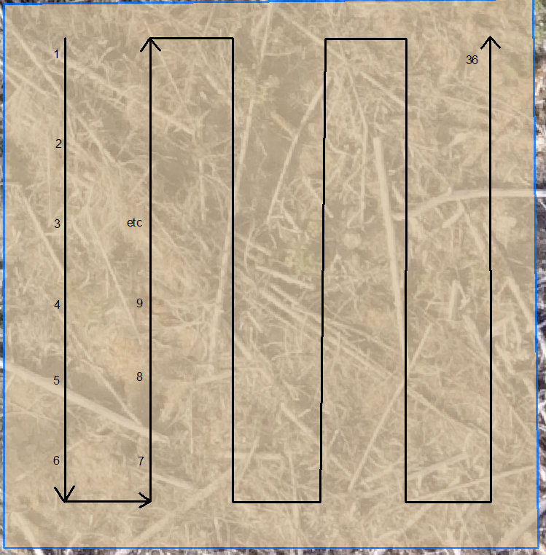
 |  |  |  |  |  |  |  |  |  |  |  |  |  |  | Fair | Good | Good | Fair | Fair | Good | Good | Good | Fair | Fair | Poor | Good | Fair | Fair | Good | Good | Fair | Poor | Fair | Fair | Good | Fair | Fair | Fair | Good | Good | Fair | Fair | Dead | Fair | Fair | Poor | Fair | Fair | Good | Poor | Good | Fair | Good | Fair | Good | Fair | Good | Fair | Fair | Good | Dead | Fair | Fair | Poor | Fair | Moribund | Good | Poor
 |  |  |  |  |  |  |  |  |  |  |  |  |  |  | Good | Good | Good | Good | Good | Good | Good | Good | Good | Fair | Fair | Good | Fair | Poor | Fair | Fair | Fair | Fair | Fair | Good | Good | Good | Good | Good | Good | Fair | Good | Poor | Good | Good | Poor | Dead | Fair | Fair | Fair | Fair | Good | Good | Good | Good | Good | Good | Good | Good | Fair | Fair | Fair | Good | Good | Dead | Good | Fair | Fair | Fair

Height Stats
 | Sx | Sx | Sx | Pli | Pli | Pli | Lw | Lw | Lw | Fdi | Fdi | Fdi | Cw | Cw | Cw
 | 39619 | 8482 | 63594 | 32274 | 13903 | 63705 | 39282 | 35192 | 63578 | 48678 | 8492 | 63540 | 53977 | 48519 | 40106
Average Height (cm) | 31.5 | 30.7 | 43.7 | 35.5 | 32.7 | 35.1 | 39.2 | 43.3 | 34.1 | 26.3 | 23.9 | 17.6 | 30.3 | 32.0 | 29.9
Min Height | 21.0 | 22.0 | 22.0 | 21.0 | 9.0 | 28.0 | 8.0 | 18.0 | 3.0 | 12.0 | 14.0 | 13.0 | 18.0 | 19.0 | 18.0
Max Height | 46.0 | 39.0 | 64.0 | 54.0 | 45.0 | 48.0 | 62.0 | 60.0 | 66.0 | 39.0 | 43.0 | 28.0 | 45.0 | 47.0 | 48.0
Average Diameter (mm) | 7.3 | 7.7 | 9.3 | 8.2 | 8.0 | 7.2 | 7.2 | 7.6 | 6.4 | 6.6 | 6.9 | 4.3 | 4.9 | 6.0 | 5.1
Min Diameter | 5.0 | 5.0 | 7.0 | 6.0 | 4.0 | 5.0 | 3.0 | 4.0 | 4.0 | 4.0 | 5.0 | 2.0 | 3.0 | 4.0 | 3.0
Max Diameter | 10.0 | 12.0 | 12.0 | 13.0 | 11.0 | 10.0 | 11.0 | 11.0 | 13.0 | 9.0 | 10.0 | 7.0 | 8.0 | 10.0 | 7.0
Average Leader Length (cm) | 10.1 | 8.0 | 13.7 | 10.6 | 11.3 | 9.9 | 19.1 | 17.0 | 17.8 | 10.9 | 6.6 | 4.6 | 13.6 | 15.1 | 13.8
Min Leader Length | 2.0 | 2.0 | 2.0 | 4.0 | 5.0 | 4.0 | 3.0 | 0.0 | 8.0 | 4.0 | 2.0 | 2.0 | 2.0 | 8.0 | 7.0
Max Leader Length | 25.0 | 16.0 | 29.0 | 26.0 | 24.0 | 24.0 | 37.0 | 33.0 | 34.0 | 58.0 | 21.0 | 9.0 | 22.0 | 22.0 | 20.0

